FACTORS INFLUENCING USAGE (SING
Factors Influencing Viewership Trends

1. Viewership by Channel
TV Channel Watch Duration

Top Viewed Channels
Least Viewed Channels

Viewership By Gender
2. Viewership by Gender

Viewership by Ethnicity
3. Viewership by Ethnicity

Viewership by Province
4. Viewership by Province

Subscribers by Province
5. Subscribers by Province
Regions | COUNTUNIQUE of Sub_ID
Northern Cape | 82
Free State | 147
North West | 152
Unclassified | 176
Eastern Cape | 271
Limpopo | 342
Mpumalanga | 391
Kwazulu Natal | 448
Western Cape | 770
Gauteng | 1607
Grand Total | 4386
Subscribers by Month Name (1st Quarter)
 |  | Data from the first quarter was used to avoid skewness since April has only 1 day
6. Subscribers by Month
Month_name | COUNTUNIQUE of Sub_ID
Mar | 2545
Jan | 1164
Feb | 1502
Apr | 5 | 118.6426117
Grand Total | 4386

Viewed Sessions by Day Name
7. Viewed Sessions by Day Name

Viewership by Day Name
8. Viewership by Day Name

Viewership by Day Classification
9. Viewership by Day Classification

Viewership by Age Group
10. Viewership by Age Group

FACTORS INFLUENCING USAGE (SPLI
Viewership by Gender and Race
Factors Influencing Viewership Splits

1. Viewership by Gender and Race

Viewership by Province and Gender
2. Viewership by Gender and Province

Viewership by Province and Race

3. Viewership by Province and Age Group

4. Viewership by region and age split
Viewership Province and Age Group

USAGE TREND
Age Viewership Trend By Time Of Day
Viewership Trends

1. Age viewership trend by time of day

Key Insights: The highest viewrs are the youth adults with a total viewing hours of 905. The least viewing group is the pensioners with 10 hours total viewing hours. The peak viewing time is the evening with 567 total viewing hours. The least viewing time are the mornings with 86 hours.

2. Viewership trend by event day
Viewership By Event Day
 | Duration Hours

Age Group Viewership Trends by Day Classification
Key insights: Over the month period there has not been much change due to changes in days accounting for only 1.6%. There are occassional spikes which could have been fueled by other factors other than the passing of time.
 |  |  |  |  |  |  | Key insights: The highest number of viewers on both weekdays and weekends are the Youth Adults followed by adults. Proportionately, there is more viewership over weekends than weekdays, with overall weekend 2 day viewership being almost half weekday (5 day). viewership
3. Age viewership trend by day classification

4. Age viewership trend by hour of day

Age Group Viewership Trend By Hour of Day
 | Youth Adults |  | Infant |  |  | Youth | Pensioner

Gender Viewership By Time Of Day
5. Gender viewership trend by time of day

Top Viewed Channel Trend By Day Name
5. Top viewed channel trend by day name

Least Watched Channel by Ehnicity
COUNTUNIQUE of Sub_ID | Ethnicity
Tv_channel | white | unknown | indian_asian | coloured | black | Grand Total
Wimbledon |  |  | 1 | 1 | 1 | 3
MK | 6.00 | 3 | 3 | 6 | 14 | 32
kykNET | 13.00 | 7 | 6 | 8 | 11 | 45
Break in transmission | 3.00 | 10 | 8 | 13 | 29 | 63
Vuzu | 13 | 9 | 9 | 15 | 52 | 98
M-Net | 19 | 11 | 14 | 20 | 45 | 109
SawSee | 40 | 28 | 34 | 23 | 114 | 239
E! Entertainment | 59 | 48 | 50 | 52 | 124 | 333
CNN | 58 | 63 | 41 | 50 | 158 | 370
Boomerang | 96 | 74 | 72 | 93 | 226 | 561
Africa Magic | 21 | 50 | 30 | 48 | 483 | 632
Cartoon Network | 119 | 77 | 77 | 141 | 246 | 660
Trace TV | 68 | 78 | 66 | 140 | 372 | 724
SuperSport Blitz | 99 | 94 | 110 | 128 | 300 | 731
Channel O | 37 | 73 | 46 | 112 | 471 | 739
ICC Cricket World Cup 2011 | 179 | 142 | 403 | 162 | 168 | 1054
Live Events | 237 | 158 | 213 | 234 | 416 | 1258
Grand Total | 726 | 590 | 755 | 653 | 1662 | 4386

Key insights

BRIGHT TV DASHBOARD
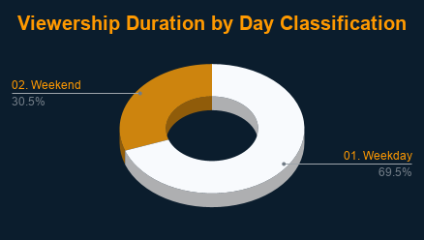
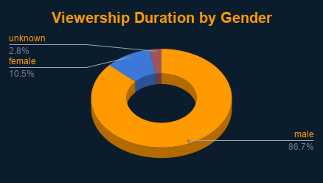
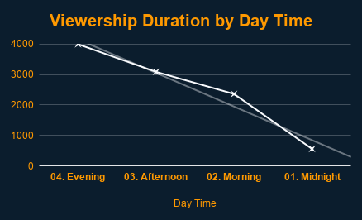
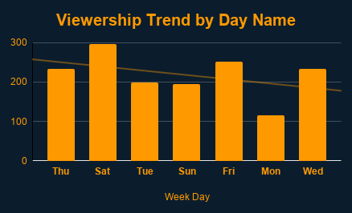
BRIGHT TV DASHBOARD

